Sheet1
REF | IMAGE | BARCODE | DESCRIPTION | QTY
BAR20001GBP22OS |  | 5056497243180 | (Popgear) Barbie Girl Power Tie Dye Girls Backpack One Size 48CM | 9
JLC90003BBP01OS |  | 5056497211714 | (Popgear) DC Justice League - Batman (Kids Backpack) One Size 48CM | 20
JUW90003BBP37OS | 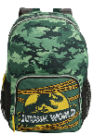 | 5056497211615 | (Popgear) Jurassic World Park Logo Kids Backpack One Size 48CM | 30
LOL90012GBP23OS | 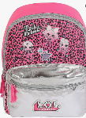 | 5056397451456 | (Popgear) LOL Surprise - LOL Style (Girls Backpack) One Size 48CM | 51
MAN90012BBP01OS |  | 5056397451685 | (Popgear) Star Wars - The Force Is Strong (Kids Backpack) One Size 48CM | 90
MIN00290BBP31OS | 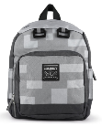 | 5056397441167 | (Popgear) Minecraft Miner - (Boys Backpack) One Size 48CM | 20
MIN90023BBP01OS | 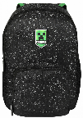 | 5056497243241 | (Popgear) Minecraft Galaxy Creeper Boys & Girls Backpack Black One Size 48CM | 1
MIN90035BBP60OS | 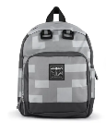 | 5056472190225 | (Popgear) Minecraft Block Print Kids Backpack One Size | 9
MIN90037BBP27OS | 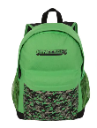 | 5056472191567 | (Popgear) Minecraft Camo Creeper Kids Backpack One Size | 25
MSP90006BBP01OS | 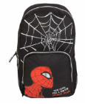 | 5056397451616 | (Popgear) Marvel - Spiderman Web Head (Kids Backpack) One Size | 1
PGY90007BBP45OS | 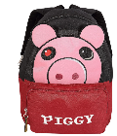 | 5056472115938 | (Popgear) Piggy - Face (Kids Backpack) One Size 48CM | 970
PGY90012BBP46OS | 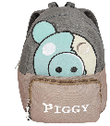 | 5056472115983 | (Popgear) Piggy - Zombie (Kids Backpack) One Size | 723
PSX20011BBP01OS | 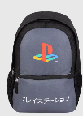 | 5056497243203 | (Popgear) PlayStation Contrast Japanese Logo Kids Backpack One Size | 700
PSX90012BBP43OS | 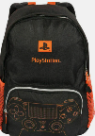 | 5056397443895 | (Popgear) PlayStation - PS Logo (Kids Backpack) One Size | 13
SWC90013BBP01OS | 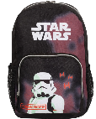 | 5056397449576 | (Popgear) Star Wars - Stormtrooper (Kids Backpack) One Size | 3
TTG90002BBP22OS | 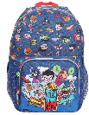 | 5056497211790 | (Popgear) DC Teen Titans Go Characters Boys Backpack | Official Merchandise | 13
WWE90002BBP01OS | 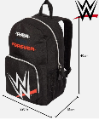 | 5056397445523 | (Popgear) WWE Logo Kids Backpack One Size | 8
XBX90008BBP01OS | 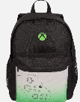 | 5056397451692 | (Popgear) Xbox - Controller (Kids Backpack) One Size 40CM | 2,593
 |  |  |  | 5,279

